Sheet1
 | 23-Mar-17
Given .rgb
 | Encoder Class contains: | ToDo: Research
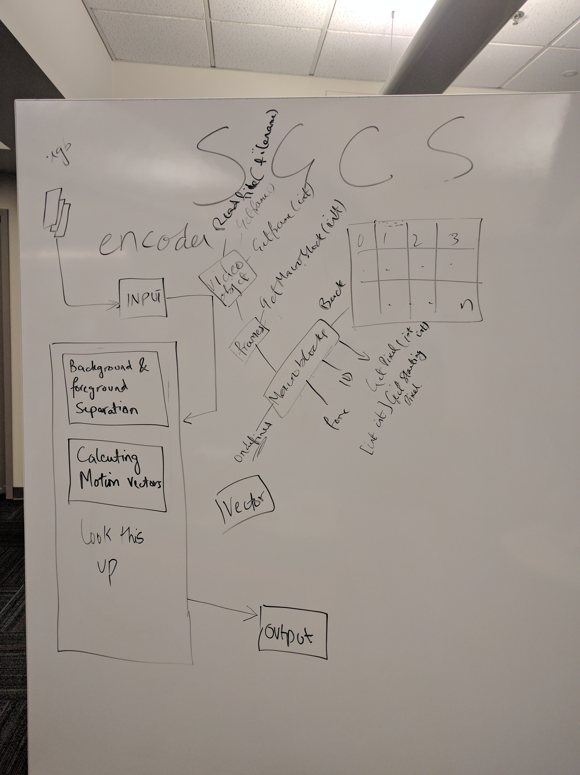
 | Video Object | Background & foreground Seperation
 | Frame Object | Calculating Motion Vectors
 | Macroblock Object

 | Video Object Methods | Bobby
 | getFrame(int i) returns array of r0..rn,g0..gn,b0…bn for frame i | Video/Frame Object
 | readFile(rgb file) return video object of file as frames
 | Width:960 by Height:540 | Zeeshan
 | Frames Object Methods
 | getMacroblock(int i) returns macroblocki from a frame

 | Macroblock Object state either undefined, foreground, or background
 | Macroblock Objects Methods
 | GetPixel(int x, int y)
 | GetStartingPxl return [int x, int y]
 | Marcroblocks should have an ID

 | Vector Class

